Sheet1
Sample Brewery
Payroll Accrual Template

 | Pay Date | Period Covered | Total Days | Payroll Business Days | Payroll Amount | July Expense | August Expense
 | Friday | Monday thru Sunday |  | Related to August

 | 2026-07-31 | 7/20-7/26 | 7 | 0 | $10,000.00 | $10,000.00 | $-

 | 2026-08-07 | 7/27-8/2 | 7 | 2 | $10,000.00 | $7,142.86 | $2,857.14

 | 2026-08-14 | 8/3-8/9 | 7 | 7 | $10,000.00 | $- | $10,000.00

 | 2026-08-21 | 8/10-8/16 | 7 | 7 | $10,000.00 | $- | $10,000.00

 | 2026-08-28 | 8/17-8/23 | 7 | 7 | $10,000.00 | $- | $10,000.00

 | 2026-09-04 | 8/24-8/30 | 7 | 7 | $10,000.00 |  | $10,000.00

 | 2026-09-11 | 8/31-9/6 | 7 | 1 | $10,000.00 |  | $1,428.57

 | Journal Entries |  | Debit | Credit
 | 2026-07-31 | Payroll expense | $7,142.86 |  | To record the July payroll and taxes
 |  | Payroll Taxes | $1,000.00 |  | paid in August
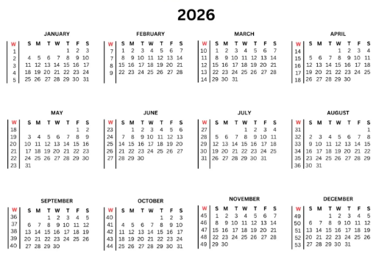
 |  | Accrued Payroll |  | $8,142.86 | Set up as a reversing entry in QBO

 | 2026-08-01 | Accrued Payroll | $8,142.86 |  | Reversing entry
 |  | Payroll expense |  | $7,142.86 | Auto-posted by QBO
 |  | Payroll taxes |  | $1,000.00

 | 2026-08-07 | Payroll expense | $10,000.00
 |  | Payroll Taxes | $1,200.00
 |  | Cash |  | $11,200.00

 | 2026-08-31 | Payroll expense | $11,428.57 |  | To record the August payroll and taxes
 |  | Payroll Taxes | $1,500.00 |  | paid in September
 |  | Accrued Payroll |  | $12,928.57 | Set up as reversing entry in QBO

 | 2026-09-01 | Accrued Payroll | $12,928.57 |  | Reversing entry
 |  | Payroll expense |  | $11,428.57 | Auto-posted by QBO
 |  | Payroll taxes |  | $1,500.00

